Sheet1
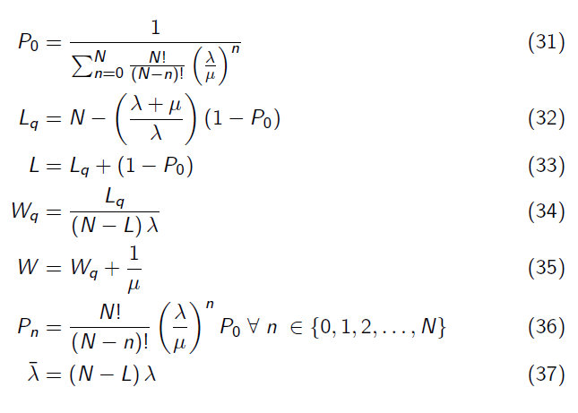
Joel's Dry dock problem

lambda= | 0.25 | ships/year | Arrivals: | 4 | years / ship
mu= | 2 | ships/year | Service: | 6 | months/ship
N= | 10 |  |  | 0.5 | years / ship

lambda/mu= | 0.125
note: lambda/mu is not Ls in a finite calling population model
 |  |  | Sum (for P0) | 8.2195565701
P_0= | 0.12166 |  | n | sumterms
 |  |  | 0 | 1
L_q= | 2.0949 | ships (in the drydock queue) | 1 | 1.25
 |  |  | 2 | 1.40625
L= | 2.9733 | ships (in the drydock system) | 3 | 1.40625
lambdabar= | 1.7567 | ships/year | 4 | 1.23046875
 |  |  | 5 | 0.9228515625
W_q= | 1.1925633107 | years (in the drydock queue) | 6 | 0.57678222656
 |  |  | 7 | 0.28839111328
W= | 1.6925633107 | years (in the drydock system) | 8 | 0.10814666748
 |  |  | 9 | 0.02703666687
P_n |  |  | 10 | 0.0033795833588
n | P_n
0 | 0.1217
1 | 0.1521
2 | 0.1711 |  |  |  |  | Note:
3 | 0.1711 |  |  |  |  | With the finite calling population, the arrival rate is slightly different compared to the other systems that we considered thus far.
4 | 0.1497 |  |  |  |  | Think of lambda as the rate at which ships need servicing, in this example.
5 | 0.1123 |  |  |  |  | As more ships enter the system (wait at the drydock), the number of ships that can enter the system decreases (number of ships still operating at sea).
6 | 0.0702 |  |  |  |  | In other words, as L goes up, N-L goes down, where N-L represents the number of ships NOT in the system, yet.
7 | 0.0351 |  |  |  |  | So, we also calculate the average arrival rate, or effective arrival rate, as (N-L)*lambda
8 | 0.0132 |  |  |  |  | On the extreme - if all 10 of the ships in the fleet is in the system (waiting at the drydock), then the effective arrival drops to zero: (10-10)*lambda = 0.
9 | 0.0033
10 | 0.0004

To answer Joel Ebb's question of whether to expand drydock or not:
If L is the average number of ships in the drydock system (queue and in the drydock),
then N-L is the average number of ships running (i.e. not in the drydock system)

 | Current system | Alternative system
Earnings per ship/year | R11,000,000.00 | R11,000,000.00
Avg #ships running | 7.03 | 8.38
Total Earnings: | R77,293,826.35 | R92,145,894.68

Gain | R14,852,068.34
Cost | R12,000,000.00
Net gain | R2,852,068.34

